Blue Creek
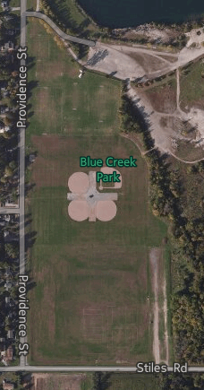
AWUSC | United Soccer | AWHS | Other
AWABSA | Baseball / Softball |  | Not Available
AWYLAX | Lacrosse
AWJGB | Jr Gen Baseball
AWYSL | Youth Soccer

Field 1
Field 4

Field 2
Field 3

 |  |  |  | Area 1 | Area 2 | Area 3 | Area 4

 | fm@awyf.org |  |  | Youth Soccer League |  | LAX / Football | United Soccer

